HFCs
Quick Links
Notes
BAU
Policy Scenario
EPS Settings

Notes
Notes are mostly based on/taken from NRDC's concept note to Sequoia.
Objective: India ratifies/meets the Kigali Amendment.
Begin phasedown in 2028 and focus on promoting early action. By 2030, India is on track to meet targets ahead of schedule.
Estimated 2-3 GT CO2e of savings by 2050 by fulfilling the Kigali Amendment. 300-400 MMT additional with faster phasedown.

Kigali Amendment Phasedown Schedule for India:
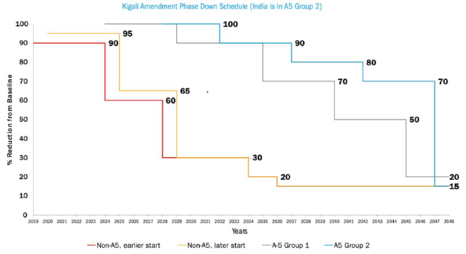

2028 | 2029 | 2030 | 2031 | 2032 | 2033 | 2034 | 2035 | 2036 | 2037 | 2038 | 2039 | 2040 | 2041 | 2042 | 2043 | 2044 | 2045 | 2046 | 2047 | 2048
100% | 100% | 100% | 100% | 90% | 90% | 90% | 90% | 90% | 80% | 80% | 80% | 80% | 80% | 70% | 70% | 70% | 70% | 70% | 15% | 15%

BAU

